Home
Offsite Construction Project Evaluation Tool |  | 
A tool for assessing the suitability of offsite construction for Victorian infrastructure projects

About the tool
This tool is designed for project and program managers and strategic planners who are at the initial planning stages (pre-business case or business case) and want to assess which construction method would best suit the project. The tool helps identify whether the project and its elements are more suited to modular construction, volumetric pre-fabrication, non-volumetric prefabrication or traditional construction.

Usage | This tool requires information about the high-level scope of your project/program. The questions were designed to be answered without having detailed designed or construction information at hand, given that the decision of utilising offsite construction should be taken before the start of the design phase. Completing the questions should take about 10 minutes. Upon completing the tool, you will receive a report that states whether your project is applicable for offsite construction and if so to what extent.
Assistance | If anything seems to break, please try to refresh the tool (remember to save first!) and if problems persist, please get in touch. If you need additional assistance or have feedback on the tool, please contact us via email:
 | enquiries@opv.vic.gov.au

 | START >>

The Office of Projects Victoria respectfully acknowledges the Traditional Owners of the land and pays respects to their Elders, past, present, and emerging. We acknowledge and uphold their continuing relationship to this land and the lands that your assessment is being conducted in.

Project Information
Construction Method - Running Total
 | Project Information | Project Factors | Construction Factors
Modular | 0 | 0 | 0
Volumetric | 0 | 0 | 0
Non-Volumetric | 0 | 0 | 0
Traditional | 0 | 0 | 0
 |  |  |  | )
1. | Project Information

# | Question | Response | Additional Information
Q1 | Is the project similar to others previously delivered? |  | Repeated projects provide opportunity for savings in design reuse, component reuse and knowledge sharing
Q2 | Is the project part of a larger program of works? |  | Programs of works across multiple sites provide opportunity for design reuse, bulk ordering of parts and program compression
Q3 | Is there existing design and IP available for reuse?
Q4 | Is the project unique in terms of architectural design? |  | Projects with uniquely designed architectural elements may be better suited to traditional construction methods
Q5 | Does project handover need to happen urgently after initiation? |  | OSC allows for program fast-tracking through quicker construction time
Q6 | Does the project have requirements for increasing diversity? |  | The manufacturing environment of OSC has been shown to increase workforce diversity

 |  | Please complete all mandatory questions
 | << PREVIOUS |  | #N/A

Project Factors
Construction Method - Running Total
 | Project Information | Project Factors | Construction Factors
Modular | 0 | 0 | 0
Volumetric | 0 | 0 | 0
Non-Volumetric | 0 | 0 | 0
Traditional | 0 | 0 | 0
2 | Project Factors | Please complete the previous section prior to filling out this section

# | Question | Response | Additional Information
Q1 | Is design repeatable or standardised? |  | Repeated or standardised design elements such as classrooms, bridge beams or housing modules.
Q2 | Is the project likely to require significant design changes during delivery? |  | OSC requires lock-in of design early in the project lifecycle
Q3 | Is it important to reduce design complexity?
Q4 | Is it important to reduce site complexity? |  | OSC reduces number of trades onsite
Q5 | Is construction constrained by external factors (e.g. occupation, school holidays)? |  | Constraint on construction requires a tight turnaround onsite, reducing onsite complexity to meet program
Q6 | Location remote from labour and infrastructure? |  | Geographically remote sites may not have access to multiple trades in a supply chain
Q7 | Are site conditions uncertain? (e.g. geotechnical, contamination) |  | Sites with unknown existing conditions may require design changes to accommodate for contamination, subsurface utilities etc.
Q8 | Is your project suseptible to construction delays due to weather? |  | Projects with susceptibility to delays due to weather may be better suited to manufacture of components offsite
Q9 | Is there an appetite to take up innovation?

 | << PREVIOUS | Please complete all madatory questions | #N/A

Construction Factors
Construction Method - Running Total
 | Project Information | Project Factors | Construction Factors
Modular | 0 | 0 | 0
Volumetric | 0 | 0 | 0
Non-Volumetric | 0 | 0 | 0
Traditional | 0 | 0 | 0
3. | Construction Factors | Please complete the previous section prior to filling out this section

# | Question | Response | Additional Information
Q1 | How difficult is the access to the construction site for this element (e.g. transport, swept path area)? |  | OSC can improve inventory management (just in time), decrease stage space requirements, and avoid double handling by allowing direct installation from the delivery vehicle.
Q2 | How contained and/or constrained is the space/laydown area for the construction of this element? |  | Underground activities and small sites in dense urban environments usually have a contained/constrained space and limits offsite construction.
Q3 | How significant are health & safety risks in the construction of this element? |  | Health and safety risks, such as falling from heights and working alongside live operations, can be drastically reduced by manufacturing offsite in a controlled environment where work can be automated and optimised.
Q4 | How constrained are labour resources for this element? |  | Labour resources may be constrained for roles that require high skills and experience. OSC allows people who are presently underrepresented in traditional construction to enter the workforce.
Q5 | How important for the project is reduction of construction waste? |  | Environmental impacts are typically reduced as materials usage and movements are optimised. OSC typically increases energy efficiency and can reduce waste by up to 90 per cent (depending on project, materials and level of automation).
Q6 | How important for the project is reduction of onsite traffic and distruption? |  | Fewer deliveries to the site of materials and components and an accelerated timeline with OSC mean less noise, disturbance, and pollution in the surrounding area.

 | << PREVIOUS | Please complete all mandatory questions | #N/A

Element Design
 |  |  |  | Previous Valid | FALSE
4. | Element Design | Please complete the previous section prior to filling out this section
 | For your project, consider some elements that would typically be required that would be repeated
 |  |  |  | Project Element
 | List up to three repeatable items (separated by a comma) |  | This may include: Hospitals: Bathroom modules, surgical wards, cafeteria Transport: Bridge abutments, road barriers, gantries Schools: Classrooms, roof trusses, staircases Justice: Offices, prision cells, ambulance depot Housing: Wall panels, elevators, kitchens |  |  |  | 0

# | Question | Response | Additional Information |  |  | Validation
Modular | 0
Volumetric | 0
Non-Volumetric | 0
Traditional | 0

Q1a | How complex is the design of this element? |  | Repeated projects provide opportunity for savings in design reuse, component reuse and knowledge sharing |  |  | FALSE
Q2a | How likely are significant design changes to occur during the construction phase of this element? |  | Programs of works across multiple sites provide opportunity for design reuse, bulk ordering of parts and program compression |  |  | FALSE
Q3a | How high is the level of design standardisation and/or repeatability of this element across the project/program? |  | Repeated or standardised design elements such as road barriers, toilet blocks or standard-sized classrooms |  |  | FALSE
Q4a | How easily can this element be reused for or from other projects via Digital Models, BIM or Digital Twins? |  | Projects with uniquely designed architectural elements may be better suited to traditional construction methods |  |  | FALSE
Q5a | How important is precision during construction to ensure high quality for this element? |  | Requirements for elevated levels of quality control or minimal defects, or specialised functionality such as earthquake, fire or blast resistant buildings lend the development more towards OSC. |  |  | FALSE
 |  |  |  |  | Step 1 | FALSE
Modular | 0
Volumetric | 0
Non-Volumetric | 0
Traditional | 0
 |  |  |  |  |  | FALSE
 |  |  |  |  |  | FALSE
 |  |  |  |  |  | FALSE
 |  |  |  |  |  | FALSE
 |  |  |  |  |  | FALSE
 |  |  |  |  | Step 2 | FALSE
Modular | 0
Volumetric | 0
Non-Volumetric | 0
Traditional | 0
 |  |  |  |  |  | FALSE
 |  |  |  |  |  | FALSE
 |  |  |  |  |  | FALSE
 |  |  |  |  |  | FALSE
 |  |  |  |  |  | FALSE
 |  |  |  |  | Step 3 | FALSE
 |  |  |  |  | Overall | #N/A

Report

Construction Method
Modular | 0
Volumetric | 0
Non-Volumetric | 0
Traditional | 0
Report
 | #N/A
Overall Project | #N/A
 | #N/A
Recommended OSC type | #N/A

Other OSC options | #N/A

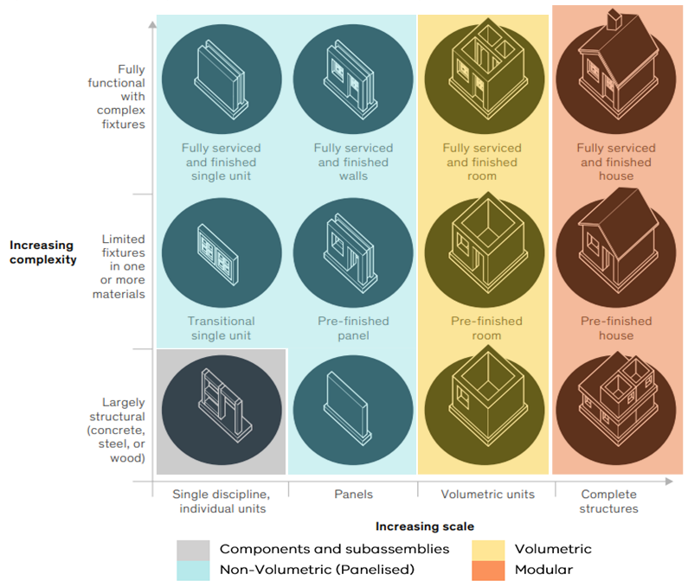
Project Elements

